Pivot Table
Ortalama Income | Sütun Etiketleri
Satır Etiketleri | No | Yes | Genel Toplam
Female | 53,440 | 55,774 | 54,581
Male | 56,208 | 60,124 | 58,063
Genel Toplam | 54,875 | 57,963 | 56,360

Say Purchased Bike | Sütun Etiketleri
Satır Etiketleri | No | Yes | Genel Toplam
0-1 Miles | 166 | 200 | 366
1-2 Miles | 92 | 76 | 168
2-5 Miles | 67 | 95 | 162
5-10 Miles | 116 | 76 | 192
More than 10 M+ | 78 | 34 | 112
Genel Toplam | 519 | 481 | 1000

Say Purchased Bike | Sütun Etiketleri
Satır Etiketleri | No | Yes | Genel Toplam
Adolescent | 71 | 39 | 110
Middle Age | 318 | 383 | 701
Old | 130 | 59 | 189
Genel Toplam | 519 | 481 | 1000

Satır Etiketleri | Say Purchased Bike
Europe | 300
North America | 508
Pacific | 192
Genel Toplam | 1000

Dashboard-2
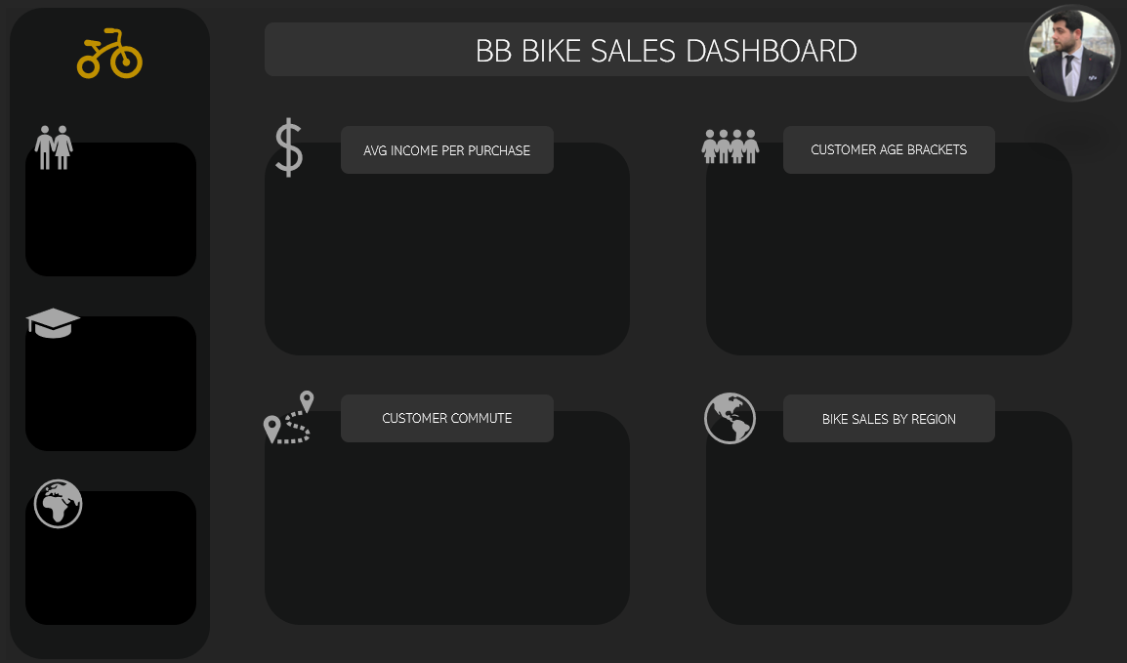
BB BIKE SALES DASHBOARD

CUSTOMER AGE BRACKETS
AVG INCOME PER PURCHASE

 | No | Yes
Adolescent | 71 | 39
Middle Age | 318 | 383
Old | 130 | 59
 | No | Yes
Female | 53,440 | 55,774
Male | 56,208 | 60,124

CUSTOMER COMMUTE
BIKE SALES BY REGION

 | No | Yes
0-1 Miles | 166 | 200
1-2 Miles | 92 | 76
2-5 Miles | 67 | 95
5-10 Miles | 116 | 76
More than 10 M+ | 78 | 34
 | Toplam
Europe | 300
North America | 508
Pacific | 192

